Information given
 |  |  | Note | Source
Telstra-Digicel deal
 | Investment | 1.6BUSD |  | "Telstra to acquire Digicel Pacific in partnership with the Australian Government" (https://www.telstra.com.au/aboutus/investors/announcements)
 | Future investment | 250MUSD subject to business performance over the next three years, funded on an 80/20 (government EFA funding/Telstra basis) |  | "Telstra to acquire Digicel Pacific in partnership with the Australian Government" (https://www.telstra.com.au/aboutus/investors/announcements)
 | Investment breakdown | 270MUSD by Telstra, 1.33 BUSD by GoA |  | "Telstra to acquire Digicel Pacific in partnership with the Australian Government" (https://www.telstra.com.au/aboutus/investors/announcements)
 | Telstra | 100% of ordinary equity |  | "Telstra to acquire Digicel Pacific in partnership with the Australian Government" (https://www.telstra.com.au/aboutus/investors/announcements)
 | Telstra | 45M prefered return wthin the next 6 years. After payback of Telstra's initial equity investment, Telstra equity returns are post debt repaymnts |  | https://events.miraqle.com/DownloadFile.axd?file=/Report/ComNews/20211026/02440985.pdf
 | GoA | 720MUSD in 10-year "competitively priced" debt, 610MUSD government equity with non-controlling interest |  | "Behind the numbers on Telstra's $2.5b Digicel Pacific deal"
 | GoA | 720M debt: the interest rate is below Telstra's blended cost of debt, ten years with options to extend |  | https://events.miraqle.com/DownloadFile.axd?file=/Report/ComNews/20211026/02440985.pdf
 | GoA | 610M equity: 360M/250M. 360M ranks behind Telstra equity and pays a coupon a bit above Telstra's current cost of debt, and below weighted average cost of capital |  | https://events.miraqle.com/DownloadFile.axd?file=/Report/ComNews/20211026/02440985.pdf
 | Expected deal completing time | 2022 January to 2022 April |  | "Telstra to acquire Digicel Pacific in partnership with the Australian Government" (https://www.telstra.com.au/aboutus/investors/announcements)
 | Expected prefered return | 45MUSD for the first sixe years |  | "Behind the numbers on Telstra's $2.5b Digicel Pacific deal"

Business info of Digicel Pacific
Background | Founded in | 2006 |  | "Telstra to acquire Digicel Pacific in partnership with the Australian Government" (https://www.telstra.com.au/aboutus/investors/announcements)
 | Operating in | PNG, Fiji, Nauru, Samoa, Tonga, Vanuatu |  | "Telstra to acquire Digicel Pacific in partnership with the Australian Government" (https://www.telstra.com.au/aboutus/investors/announcements)
 | Employee | 1700 |  | "Telstra to acquire Digicel Pacific in partnership with the Australian Government" (https://www.telstra.com.au/aboutus/investors/announcements)
 | Revenue streams | 76% from mobile services |  | "Telstra to acquire Digicel Pacific in partnership with the Australian Government" (https://www.telstra.com.au/aboutus/investors/announcements)
 |  | 24% from business solutions, TV, and broadband services |  | "Telstra to acquire Digicel Pacific in partnership with the Australian Government" (https://www.telstra.com.au/aboutus/investors/announcements)
 | Customer | 1,500 small to medium business enterprises, 250 large enterprises, and 200 corporates in PNG |  | "Telstra to acquire Digicel Pacific in partnership with the Australian Government" (https://www.telstra.com.au/aboutus/investors/announcements)
 |  | 4G network expected to reach 55% of population in PNG |  | "Telstra to acquire Digicel Pacific in partnership with the Australian Government" (https://www.telstra.com.au/aboutus/investors/announcements)
Market | Population (PNG) | 9,000,000 |  | "What Telstra is buying in the Pacific"
 | Population (Fiji) | 900,000 |  | "What Telstra is buying in the Pacific"
 | Population (Vanuatu) | 300,000 |  | "What Telstra is buying in the Pacific"
 | Population (Samoa) | 200,000 |  | "What Telstra is buying in the Pacific"
 | Population (Tonga) | 100,000 |  | "What Telstra is buying in the Pacific"
 | Population (Nauru) | 12,000 |  | "What Telstra is buying in the Pacific"
 | Market share (PNG) | 90% |  | "What Telstra is buying in the Pacific"
 | Market share (Fiji) | 40% |  | "What Telstra is buying in the Pacific"
 | Market share (Vanuatu) | 63% |  | "What Telstra is buying in the Pacific"
 | Market share (Samoa) | 65% |  | "What Telstra is buying in the Pacific"
 | Market share (Tonga) | 60% |  | "What Telstra is buying in the Pacific"
 | Market share (Nauru) | 100% |  | "What Telstra is buying in the Pacific"
Profitability | Subscribers (FY19) | 2.5 millions |  | "Behind the numbers on Telstra's $2.5b Digicel Pacific deal"
 | Subscribers (FY20) | 2.5 millions |  | "Behind the numbers on Telstra's $2.5b Digicel Pacific deal"
 | Subscribers (FY21) | 2.5 millions |  | "Behind the numbers on Telstra's $2.5b Digicel Pacific deal"
 | ARPU (FY19) | 9.9 | Average revenue per user per month | "Behind the numbers on Telstra's $2.5b Digicel Pacific deal"
 | ARPU (FY20) | 11.5 |  | "Behind the numbers on Telstra's $2.5b Digicel Pacific deal"
 | ARPU (FY21) | 11.2 |  | "Behind the numbers on Telstra's $2.5b Digicel Pacific deal"
 | Service revenue (FY19) | 455MUSD |  | "Behind the numbers on Telstra's $2.5b Digicel Pacific deal"
 | Service revenue (FY20) | 458MUSD |  | "Behind the numbers on Telstra's $2.5b Digicel Pacific deal"
 | Service revenue (FY21) | 431MUSD |  | "Behind the numbers on Telstra's $2.5b Digicel Pacific deal"
 | EBITDA (FY19) | 208MUSD |  | "Behind the numbers on Telstra's $2.5b Digicel Pacific deal"
 | EBITDA (FY20) | 232MUSD |  | "Behind the numbers on Telstra's $2.5b Digicel Pacific deal"
 | EBITDA (FY21) | 233MUSD |  | "Behind the numbers on Telstra's $2.5b Digicel Pacific deal"
 | EV/EBITDA (FY21) | 5.8-6.9 | =1.6BUSD/233MUSD | "Telstra to acquire Digicel Pacific in partnership with the Australian Government" (https://www.telstra.com.au/aboutus/investors/announcements)
 | Capex (FY19) | 69MUSD |  | "Behind the numbers on Telstra's $2.5b Digicel Pacific deal"
 | Capex (FY20) | 49MUSD |  | "Behind the numbers on Telstra's $2.5b Digicel Pacific deal"
 | Capex (FY21) | 57MUSD |  | "Behind the numbers on Telstra's $2.5b Digicel Pacific deal"
 | Medium to long-term capex to sales | 15% |  | "What Telstra is buying in the Pacific"
 | Accumulative D&A over capex | 600MUSD |  | https://www.telstra.com.au/content/dam/tcom/about-us/investors/debt/Telstra-Debt-Investor-Presentation-Sep21.pdf
 | Free cash flow/sales | 40% |  | "What Telstra is buying in the Pacific"
 | License | 15 years in PNG |  | "What Telstra is buying in the Pacific"
 | Non-current assets (FY20) | 805.41MUSD |  | https://www.sec.gov/Archives/edgar/data/0001810777/000095010320009547/dp127775_ex-t3e.htm, p.130
 | loan | 93MUSD | On June 18, 2019, Digicel PNG refinanced both of the above facilities with a $95.0 million facility (the “Digicel PNG Facility”) from Bank of South Pacific Limited to be repaid over five years with quarterly repayments of $2.5 million for the first two years and quarterly repayments of $6.25 million for the remainder of the term. The interest rate is Bank of South Pacific Limited’s U.S. Indicator Lending Rate plus a margin of 2.75% per annum for the first year, to be reduced by 0.20% each year to 1.95% for the final year of the facility. The facility is secured by a first priority lien on the assets of Digicel PNG. As of September 30, 2019, $92.5 million was outstanding under the Digicel PNG Facility. | https://www.sec.gov/Archives/edgar/data/0001810777/000095010320009547/dp127775_ex-t3e.htm, p16/p.183/p.399
 | U.S. Indicator lending rate | 3.79% |  | https://www.bsp.com.vu/about-us/rates-fees/foreign-currency-indicator-lending-rates/
 | Corporate Tax for multinational (Australia) | 0% | "Generally, tax is only levied on Australian resident companies for income-producing activities that occur in Australia." | https://www.aph.gov.au/About_Parliament/Parliamentary_Departments/Parliamentary_Library/pubs/BriefingBook46p/MultinationalTaxation
 | Corporate tax (Fiji) | 20% |  | List of Countries by Corporate Tax Rate | Australia (tradingeconomics.com)
 | Corporate tax (Nauru) | 20%-25% |  | https://view.officeapps.live.com/op/view.aspx?src=https%3A%2F%2Fnaurufinance.info%2Fwp-content%2Fuploads%2F2020%2F09%2FNauru-Tax-Rates-1-July-2020-B.docx%23%3A~%3Atext%3DThere%2520are%2520three%2520taxes%2520imposed%2520under%2520the%2520BTA%25E2%2580%2593%2Can%2520annual%2520gross%2520revenue%2520not%2520exceeding%2520%2524%2520250%252C000.&wdOrigin=BROWSELINK
 | Corporate tax (PNG) | 30% |  | List of Countries by Corporate Tax Rate | Australia (tradingeconomics.com)
 | Corporate tax (Samoa) | 27% |  | List of Countries by Corporate Tax Rate | Australia (tradingeconomics.com)
 | Corporate tax (Tonga) | 25% |  | List of Countries by Corporate Tax Rate | Australia (tradingeconomics.com)
 | Corporate tax (Vanuatu) | 0% |  | List of Countries by Corporate Tax Rate | Australia (tradingeconomics.com)
 | Tax (PNG) | 95M Kina | =29MUSD | https://www.treasury.gov.pg/html/national_budget/files/2022/Volume1.pdf
 | Interest rate for DGL0.5 Secured Notes | 8.0% semi-annually | Digicel Pacific Limited will guarantee the New DGL0.5 Secured Notes. | https://www.sec.gov/Archives/edgar/data/0001810777/000095010320009547/dp127775_ex-t3e.htm, p. 145
 | Terminal growth rate of cash flow | 0.50% |  | https://www.sec.gov/Archives/edgar/data/0001810777/000095010320009547/dp127775_ex-t3e.htm, p.136
 | WACC | 12% |  | https://www.sec.gov/Archives/edgar/data/0001810777/000095010320009547/dp127775_ex-t3e.htm, p.136
Telstra | average gross borrowing cost(FY21) | 3.80% |  | https://www.telstra.com.au/content/dam/tcom/about-us/investors/debt/Telstra-Debt-Investor-Presentation-Sep21.pdf
 | average gross borrowing cost(FY20) | 4.60% |  | https://www.telstra.com.au/content/dam/tcom/about-us/investors/debt/Telstra-Debt-Investor-Presentation-Sep21.pdf
 | cost of debt (long-term) | 5.5% to 6% |  | https://finbox.com/ASX:TLS/models/wacc

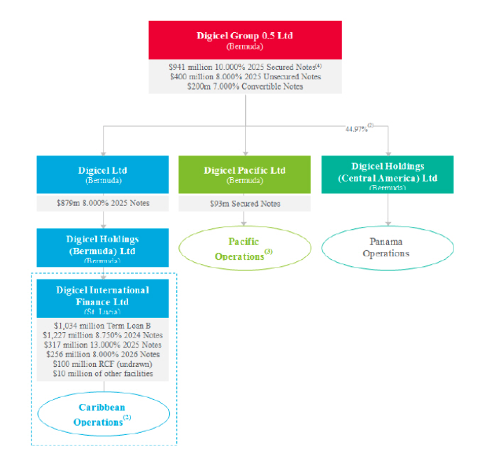

Debt structure (after restructure) | https://www.sec.gov/Archives/edgar/data/0001810777/000095010320009547/dp127775_ex-t3e.htm, p.16

Prior to restructure | https://www.sec.gov/Archives/edgar/data/0001810777/000095010320009547/dp127775_ex-t3e.htm
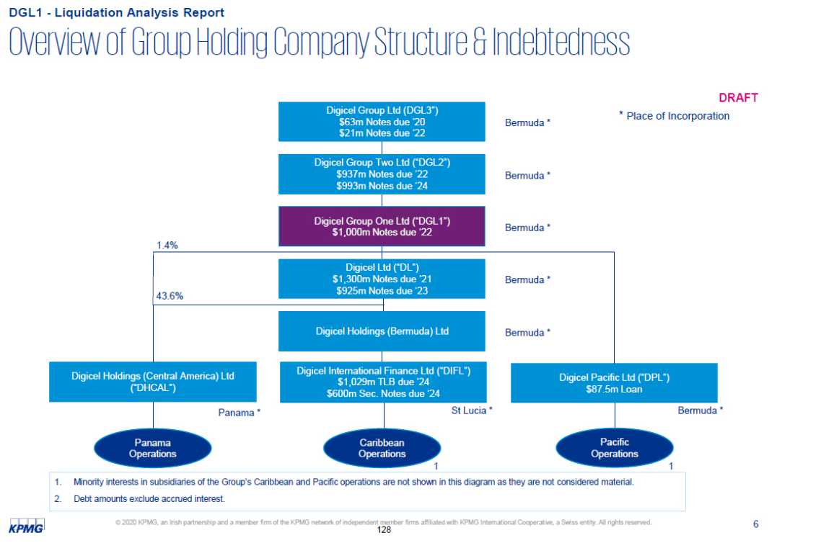

 | https://www.sec.gov/Archives/edgar/data/0001810777/000095010320009547/dp127775_ex-t3e.htm

